Charts1
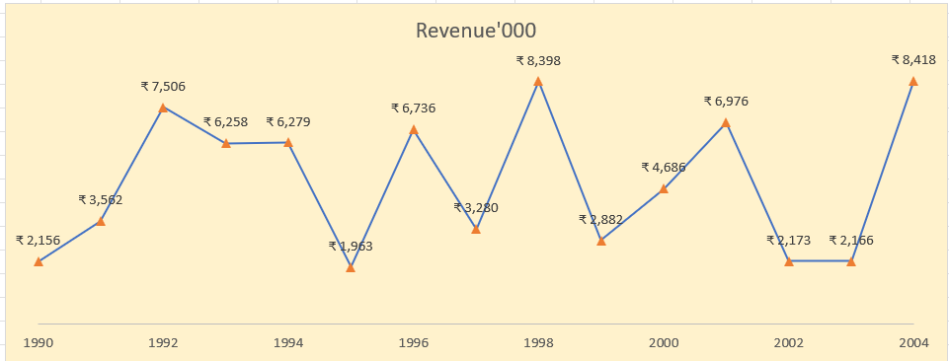
Create Line Chart with Proper formatting
Should be formatted as shown in picture

Date | Revenue'000
1990 | ₹ 2,156
1991 | ₹ 3,562
1992 | ₹ 7,506
1993 | ₹ 6,258
1994 | ₹ 6,279
1995 | ₹ 1,963
1996 | ₹ 6,736
1997 | ₹ 3,280
1998 | ₹ 8,398
1999 | ₹ 2,882
2000 | ₹ 4,686
2001 | ₹ 6,976
2002 | ₹ 2,173
2003 | ₹ 2,166
2004 | ₹ 8,418

Charts2
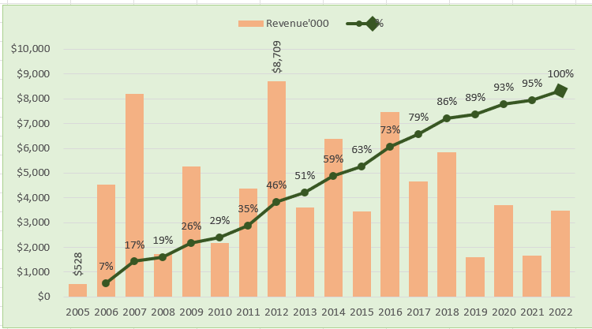
 | Revenue'000 | %
2005 | $528
2006 | $4,550 | 7%
2007 | $8,189 | 17%
2008 | $1,730 | 19%
2009 | $5,262 | 26%
2010 | $2,172 | 29%
2011 | $4,384 | 35%
2012 | $8,709 | 46%
2013 | $3,618 | 51%
2014 | $6,372 | 59%
2015 | $3,456 | 63%
2016 | $7,478 | 73%
2017 | $4,649 | 79%
2018 | $5,831 | 86%
2019 | $1,599 | 89%
2020 | $3,695 | 93%
2021 | $1,678 | 95%
2022 | $3,490 | 100%
Create Combo Chart with Proper formatting
Should be formatted as shown in picture

Date | Revenue'000 | Max / Min | Running Total | %
2005 | $528 | $528
2006 | $4,550 |  | 5,078.00 | 7%
2007 | $8,189 |  | 13,267.00 | 17%
2008 | $1,730 |  | 14,997.00 | 19%
2009 | $5,262 |  | 20,259.00 | 26%
2010 | $2,172 |  | 22,431.00 | 29%
2011 | $4,384 |  | 26,815.00 | 35%
2012 | $8,709 | $8,709 | 35,524.00 | 46%
2013 | $3,618 |  | 39,142.00 | 51%
2014 | $6,372 |  | 45,514.00 | 59%
2015 | $3,456 |  | 48,970.00 | 63%
2016 | $7,478 |  | 56,448.00 | 73%
2017 | $4,649 |  | 61,097.00 | 79%
2018 | $5,831 |  | 66,928.00 | 86%
2019 | $1,599 |  | 68,527.00 | 89%
2020 | $3,695 |  | 72,222.00 | 93%
2021 | $1,678 |  | 73,900.00 | 95%
2022 | $3,490 |  | 77,390.00 | 100%

Total | $77,390

Chart3
weight vs horsepower
Create Scatter Chart with Proper formatting
Should be formatted as shown in picture
X | Y
horsepower | weight | (X-XBAR) | (Y-YBAR)
130 | 3504 | -14.032258065 | 240.46875
165 | 3693 | 20.967741935 | 429.46875
150 | 3436 | 5.9677419355 | 172.46875
150 | 3433 | 5.9677419355 | 169.46875
140 | 3449 | -4.0322580645 | 185.46875
198 | 4341 | 53.967741935 | 1077.46875
220 | 4354 | 75.967741935 | 1090.46875
215 | 4312 | 70.967741935 | 1048.46875
225 | 4425 | 80.967741935 | 1161.46875
190 | 3850 | 45.967741935 | 586.46875
170 | 3563 | 25.967741935 | 299.46875
160 | 3609 | 15.967741935 | 345.46875
150 | 3761 | 5.9677419355 | 497.46875
225 | 3086 | 80.967741935 | -177.53125
95 | 2372 | -49.032258065 | -891.53125
95 | 2833 | -49.032258065 | -430.53125
97 | 2774 | -47.032258065 | -489.53125
85 | 2587 | -59.032258065 | -676.53125
88 | 2130 | -56.032258065 | -1133.53125
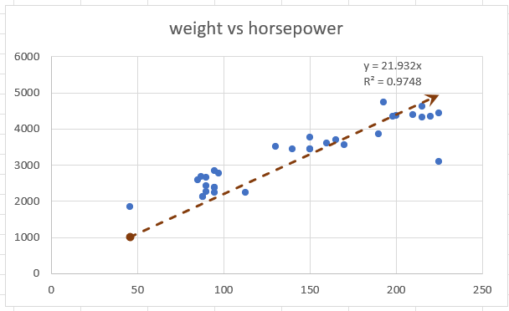
46 | 1835 | -98.032258065 | -1428.53125
87 | 2672 | -57.032258065 | -591.53125
90 | 2430 | -54.032258065 | -833.53125
95 | 2375 | -49.032258065 | -888.53125
113 | 2234 | -31.032258065 | -1029.53125
90 | 2648 | -54.032258065 | -615.53125
215 | 4615 | 70.967741935 | 1351.46875
200 | 4376 | 55.967741935 | 1112.46875
210 | 4382 | 65.967741935 | 1118.46875
193 | 4732 | 48.967741935 | 1468.46875
88 | 2130 | -56.032258065 | -1133.53125
90 | 2264 | -54.032258065 | -999.53125
95 | 2228 | -49.032258065 | -1035.53125
144.03225806 | 3263.53125

